Composite
Combined Scores

 | Urban Area

 |  | Coefficientsa
 |  | Model |  | Unstandardized Coefficients |  | Standardized Coefficients | t | Sig.
 |  |  |  | B | Std. Error | Beta
 |  | 1 | (Constant) | 0.583 | 0.001 |  | 588.119 | 0.000
 |  |  | urbscore Urban wealth score | 0.790 | 0.001 | 0.989 | 796.656 | 0.000
 |  | a. Dependent Variable: comscore Common wealth score

 |  |  | Combined Score= .583+.790* Urban Score

 | Rural

 |  | Coefficientsa
 |  | Model |  | Unstandardized Coefficients |  | Standardized Coefficients | t | Sig.
 |  |  |  | B | Std. Error | Beta
 |  | 1 | (Constant) | -0.622 | 0.001 |  | -637.678 | 0.000
 |  |  | rurscore Rural wealth score | 0.790 | 0.001 | 0.990 | 809.610 | 0.000
 |  | a. Dependent Variable: comscore Common wealth score

 |  |  | Combined Score= -.622+.790 * Rural Score

 | Combined Score

 |  | Statistics
 |  | combscor Combined national wealth score
 |  | N | Valid | 26324
 |  |  | Missing | 0
 |  | Mean |  | 0.2408184
 |  | Std. Error of Mean |  | 0.00575135
 |  | Median |  | 0.2426702
 |  | Mode |  | 1.65237
 |  | Std. Deviation |  | 0.93313714
 |  | Skewness |  | 0.069
 |  | Std. Error of Skewness |  | 0.015
 |  | Kurtosis |  | -0.470
 |  | Std. Error of Kurtosis |  | 0.030
 |  | Minimum |  | -2.25278
 |  | Maximum |  | 3.07864
 |  | Percentiles | 20 | -0.6031472
 |  |  | 40 | -0.0171096
 |  |  | 60 | 0.5009916
 |  |  | 80 | 1.0548565

 | histrogram
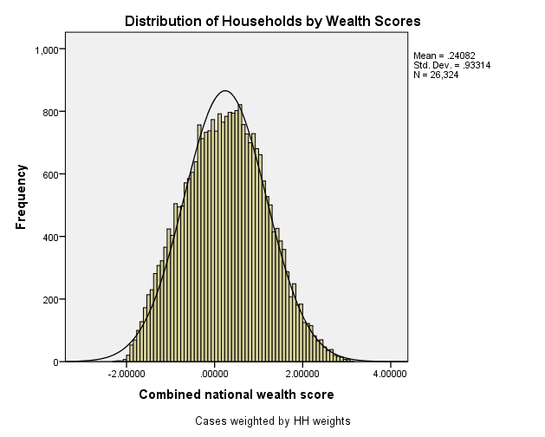

 | Table 2.6 Wealth Quintiles Percent distribution of the de jure population by wealth quintiles, according to residence and region, Ghana MHS 2017
 | Residence/region |  | Ncombsco Combined wealth index
 |  |  | 1 Lowest | 2 Second | 3 Middle | 4 Fourth | 5 Highest | Total
 | QHTYPE Type of place of residence | 1 Urban | 2.8 | 11.6 | 21.1 | 29.7 | 34.7 | 100.0 | 50097
 |  | 2 Rural | 37.5 | 28.5 | 18.8 | 10.1 | 5.0 | 100.0 | 49090
 | QHREGION Region | 1 Western | 14.7 | 24.4 | 24.1 | 20.8 | 16.0 | 100.0 | 10772
 |  | 2 Central | 9.8 | 27.3 | 25.9 | 23.1 | 13.9 | 100.0 | 9091
 |  | 3 Greater accra | 0.7 | 5.9 | 13.9 | 26.9 | 52.5 | 100.0 | 16457
 |  | 4 Volta | 31.2 | 29.0 | 19.5 | 13.5 | 6.7 | 100.0 | 8983
 |  | 5 Eastern | 15.7 | 23.1 | 21.6 | 23.4 | 16.1 | 100.0 | 10441
 |  | 6 Ashanti | 6.6 | 17.4 | 25.2 | 25.5 | 25.3 | 100.0 | 18678
 |  | 7 Brong ahafo | 21.7 | 28.3 | 25.5 | 17.2 | 7.3 | 100.0 | 9470
 |  | 8 Northern | 58.0 | 19.7 | 11.2 | 7.7 | 3.4 | 100.0 | 8484
 |  | 9 Upper east | 72.1 | 13.9 | 7.2 | 4.5 | 2.3 | 100.0 | 4074
 |  | 10 Upper west | 60.6 | 21.2 | 7.9 | 6.4 | 3.9 | 100.0 | 2738
 | total Total | .00 | 20.0 | 20.0 | 20.0 | 20.0 | 20.0 | 100.0 | 99187

